Habitat and flow Sendelingdrif
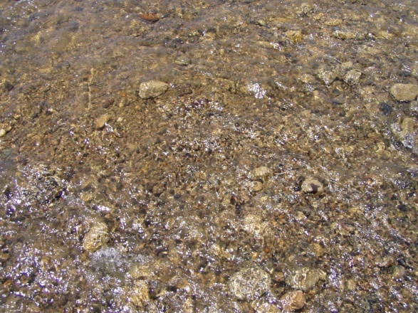
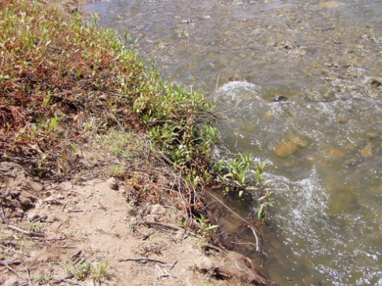
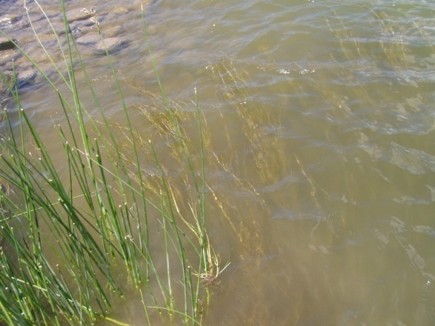
Gifkloof site | DEPTH (cm) | FLOW (r/min) | SUBSTRATE | FLOW (m/s)
MVIC | 19 | 149 | Aquatic plant | 0.63
MVIC | 29 | 170 | Cobbles/boulders/aquatic plant | 0.72
MVIC | 13 | 134 | Grass/ gravel/pebbles | 0.57
MVIC | 12 | 52 | Reeds/gravel/cobbles | 0.22
MVIC | 20 | 24 | Grass/cobbles/mud | 0.11
MVIC | 32 | 25 | Reeds/gravel/cobbles | 0.12
AVIC | 32 | 22 | aquatic veg | 0.11
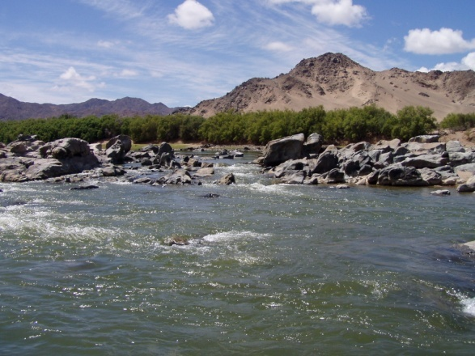
SIC | 31 | 140 | Cobbles/pebbles/gravel | 0.6
SIC | 12 | 129 | Cobbles/pebbles/gravel | 0.56
SIC | 18 | 2 | Cobbles/pebbles/gravel | 0.03
SIC | 22 | 66 | Cobbles/pebbles/gravel | 0.28
SIC | 25 | 170 | boulders/cobbles/pebbles/gravel | 0.72
SIC | 11 | 129 | boulders/cobbles/pebbles/gravel | 0.55
SIC | 19 | 139 | boulders/cobbles/pebbles/gravel | 0.59
SIC | 8 | 39 | cobbles/gravel/pebbles | 0.17
SIC | 36 | 200 | cobbles/gravel/pebbles | 0.85
GSM | 21 | 29 | mud | 0.1
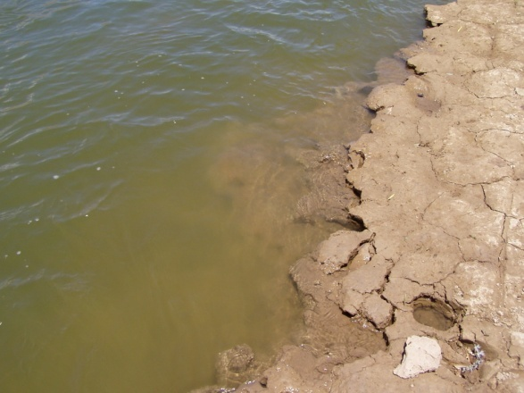
GSM | 15 | 56 | Gravel and sand | 0.24
GSM | 2 | 66 | Gravel and sand | 0.28
GSM | 4 | 66 |  | 0.28
GSM | 15 | 0 |  | 0
GSM | 17 | 0 |  | 0
GSM | 18 | 0 |  | 0

