Habitat and info for Gifkloof
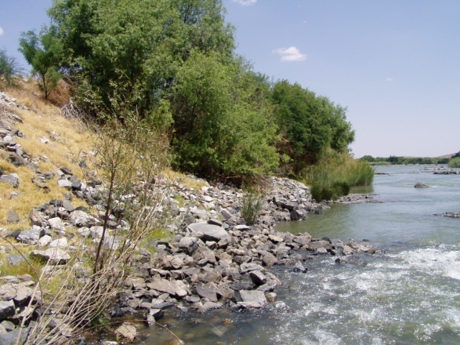
Gifkloof site | DEPTH (cm) | FLOW (r/min) | SUBSTRATE | FLOW (m/s) | Column1 | Column2 | Column3 | Column4 | Column5 | Column6 | Column7 | Column8 | Column9 | Column10 | Column11 | Column12 | Column13 | Column14 | Column15 | Column16 | Column17 | Column18 | Column19 | Column20 | Column21 | Column22 | Column23 | Column24 | Column25 | Column26 | Column27 | Column28 | Column29 | Column30 | Column31 | Column32 | Column33 | Column34 | Column35 | Column36 | Column37 | Column38 | Column39 | Column40 | Column41 | Column42 | Column43 | Column44 | Column45 | Column46 | Column47 | Column48 | Column49 | Column50 | Column51 | Column52 | Column53 | Column54 | Column55 | Column56 | Column57 | Column58 | Column59 | Column60 | Column61 | Column62 | Column63 | Column64 | Column65 | Column66 | Column67 | Column68 | Column69 | Column70 | Column71 | Column72 | Column73 | Column74 | Column75 | Column76 | Column77 | Column78 | Column79 | Column80 | Column81 | Column82 | Column83 | Column84 | Column85 | Column86 | Column87 | Column88 | Column89 | Column90 | Column91 | Column92 | Column93 | Column94 | Column95 | Column96 | Column97 | Column98 | Column99 | Column100 | Column101 | Column102 | Column103 | Column104 | Column105 | Column106 | Column107 | Column108 | Column109 | Column110 | Column111 | Column112 | Column113 | Column114 | Column115 | Column116 | Column117 | Column118 | Column119 | Column120 | Column121 | Column122 | Column123 | Column124 | Column125 | Column126 | Column127 | Column128 | Column129 | Column130 | Column131 | Column132 | Column133 | Column134 | Column135 | Column136 | Column137 | Column138 | Column139 | Column140 | Column141 | Column142 | Column143 | Column144 | Column145 | Column146 | Column147 | Column148 | Column149 | Column150 | Column151 | Column152 | Column153 | Column154 | Column155 | Column156 | Column157 | Column158 | Column159 | Column160 | Column161 | Column162 | Column163 | Column164 | Column165 | Column166 | Column167 | Column168 | Column169 | Column170 | Column171 | Column172 | Column173 | Column174 | Column175 | Column176 | Column177 | Column178 | Column179 | Column180 | Column181 | Column182 | Column183 | Column184 | Column185 | Column186 | Column187 | Column188 | Column189 | Column190 | Column191 | Column192 | Column193 | Column194 | Column195 | Column196 | Column197 | Column198 | Column199 | Column200 | Column201 | Column202 | Column203 | Column204 | Column205 | Column206 | Column207 | Column208 | Column209 | Column210 | Column211 | Column212 | Column213 | Column214 | Column215 | Column216 | Column217 | Column218 | Column219 | Column220 | Column221 | Column222 | Column223 | Column224 | Column225 | Column226 | Column227 | Column228 | Column229 | Column230 | Column231 | Column232 | Column233 | Column234 | Column235 | Column236 | Column237 | Column238 | Column239 | Column240 | Column241 | Column242 | Column243 | Column244 | Column245 | Column246 | Column247 | Column248 | Column249 | Column250 | Column251
MVIC (Downstream of rapid) | 22 | 4 | cobbles/reeds | 0.03
MVIC (Downstream of rapid) | 18 | 42 | gravel/sand/reeds | 0.18
MVIC (Downstream of rapid) | 44 | 80 | cobbles/reeds | 0.35
MVOOC Upstream of rapid | 22 | 0 | cobbles/reeds | 0
MVOOC Upstream of rapid | 51 | 0 | cobbles/reeds | 0
MVOOC Upstream of rapid | 65 | 0 | cobbles/reeds | 0
MVOOC Upstream of rapid | 54 | 0 | cobbles/reeds | 0
MVOOC Upstream of rapid | 76 | 0 | cobbles/reeds | 0
MVOOC Upstream of rapid | 68 | 0 | cobbles/reeds | 0
MVOOC Upstream of rapid | 91 | 0 | cobbles/reeds | 0
SIC (Downstream of rapid) | 26 | 76 | boulders/cobbles/bedrock | 0.33
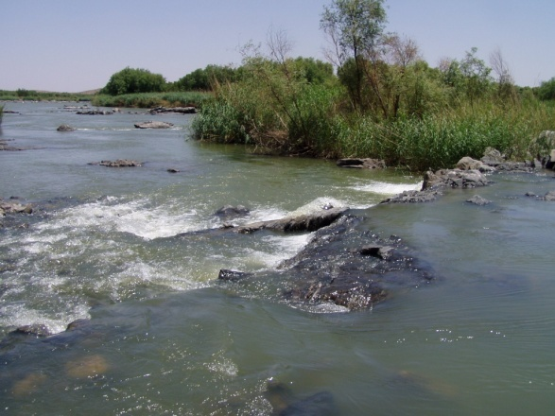
SIC (Downstream of rapid) | 32 | 13 | boulders/cobbles/bedrock | 0.07
SIC (Downstream of rapid) | 30 | 10 | boulders/cobbles/bedrock | 0.06
SIC (Downstream of rapid) | 69 | 36 | boulders/cobbles/bedrock | 0.16
SIC (Downstream of rapid) | 30 | 89 | boulders/cobbles/bedrock | 0.38
SIC (Downstream of rapid) | 25 | 266 | boulders/cobbles/bedrock | 1.14
SIC (Downstream of rapid) | 17 | 116 | boulders/cobbles/bedrock | 0.49
SIC upstream of rapid | 14 | 127 | boulders/cobbles/bedrock | 0.54
SOOC (Downstream of rapid) | 29 | 0 | boulders/cobbles/bedrock | 0
SOOC (Downstream of rapid) | 41 | 0 | boulders/cobbles/bedrock | 0
SOOC (Downstream of rapid) | 42 | 0 | boulders/cobbles/bedrock | 0
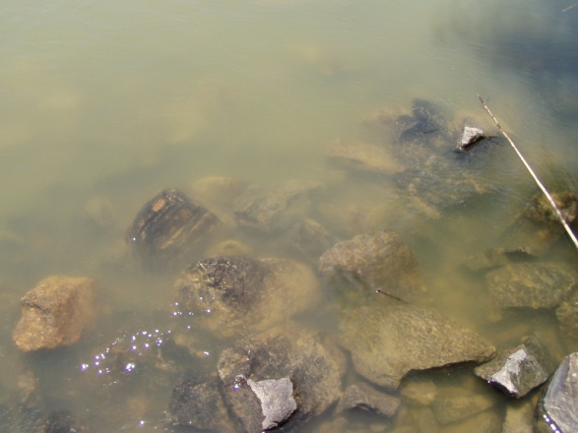
SOOC upstream of rapid | 88 | 0 | boulders/cobbles/bedrock | 0
GS | 20 | 0 | Gravel and sand | 0
GS | 18 | 3 | Gravel and sand | 0.04

